Telecom
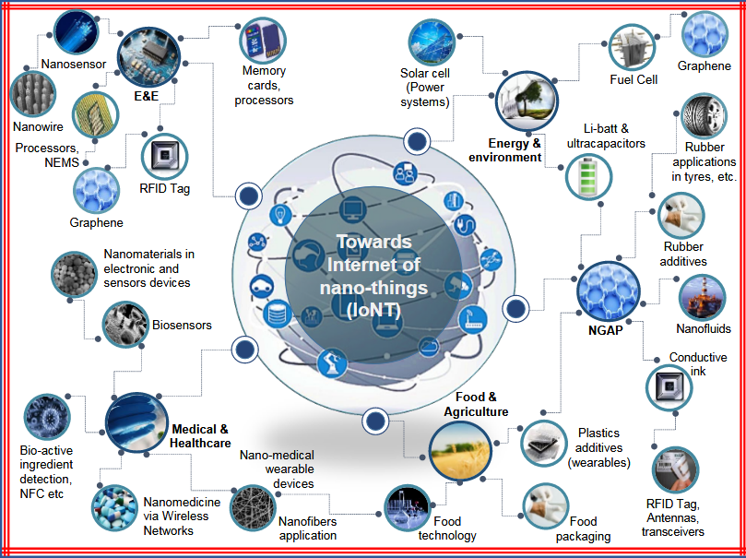
 |  |  | Telecom sector
Sl.No | Our applied research brief | Our catalogue | Our staff / partner in charge | Affiliated college | Univ professors | Funds / Programs
1 | IONT

